1. Title Page
Project Name: Instacart Customer Order Habbit Analysis
Date: 2/29/2024
Analyst Name: Shaoshan Zheng

Contents:
Population Flow
Consistency checks
Wrangling steps
Column derivations
Visualizations
Recommendations

Data Citation
Project Brief Link

2. Population Flow
Title page

Population flow

Orders_products_combined
Orders_products_merged
Orders_products_all

Total: 30355051
Total:30356421
Total: 30355051

1.) The grey boxes in the first row of the population flow represent the original data sets.
2.) The second row of boxes (coloured) represents the data sets after data cleaning. In the Total fields I added the count of the rows after conducting these operations. This offers a visual oveview of how the data flows throughout the data consistency checks.
3.) The third row, where also the arrows are coloured, represents the merges I performed between the datasets. In the Total fields I added the count of the rows in the merged datasets, so the merged dataset become the final dataset (in the red box). The final dataset is without exclusions (based on the exclusion flag).

3. Consistency checks
 |  |  |  | Title page
Consistency checks

Dataset | Missing values | Missing values treatment | Duplicates
orders | "day_since_prior_order" has 206209 null value | Drop the rows with null value | No duplicate
products | No missing value | N/A | Discover five duplicates and all were removed
orders_products_prior | No missing value | N/A | No duplicate
customers | No missing value | N/A | No duplicate

4. Wrangling steps
 |  |  |  |  | Title page
Wrangling steps

Dataset | Columns dropped | Columns renamed | Columns' type changed | Comment/Reason
orders | "eval_set" | "order_dow" to "order_day_of_week" | "days_since_prior_order" from float64 to int64 | int64 datatype is more suitable to store 'day' data
products | No columns dropped | No rename | "product_name" change to object datatype | There was mixed datatype in this column.
orders_products_prior | No columns dropped | No rename | No datatype change | N/A
customers | "First Name", "Surnam" | 1."Gender" to "gender" 2."STATE" to "state" 3."Age" to "age" | No datatype change | Decapitalizing the first letter for column name consistency.

5. Column derivations
 |  |  |  | Title page

Column derivations and aggregations

price_ range code
df.loc[df['prices'] > 15, 'price_range_loc'] = 'High-range product'
df.loc[(df['prices'] <= 15) & (df['prices'] > 5), 'price_range_loc'] = 'Mid-range product'
df.loc[df['prices'] <= 5, 'price_range_loc'] = 'Low-range product'
Dataset | New column | Column/s it was derived from | Condition
order_product_merge | "price_range" | "prices" | price > 15, high-range; 5 < price <=15, mid-range; price >=5, low-range
order_product_merge | "busiest days" | "order_day_of_week" | The two days have the most order in a week are the busies days; the two days have the least order in a week are the slowest days; other days are regular days
order_product_merge | "busiest_period_of_day" | "order_hour_of_day" | 9 to 16 are the time with the most orders, 0 to 6 are the time with the fewest order. Other time has regular orders.
busiest days code
df.loc[df['order_day_of_week'] == 0, 'busiest_days'] = 'Busiest days'
df.loc[df['order_day_of_week'] == 1, 'busiest_days'] = 'Busiest days'
df.loc[df['order_day_of_week'] == 3, 'busiest_days'] = 'Slowest days'
df.loc[df['order_day_of_week'] == 4, 'busiest_days'] = 'Slowest days'
df.loc[df['order_day_of_week'] == 5, 'busiest_days'] = 'Regular days'
df.loc[df['order_day_of_week'] == 6, 'busiest_days'] = 'Regular days'
df.loc[df['order_day_of_week'] == 2, 'busiest_days'] = 'Regular days'
order_product_merge | "loyalty_flag" | "order_number" | The maximum order >40, loyal cutomer; 10 < maximum order <=40, regular customer; the maximum order <= 10, new customer.
order_product_merge | "spending_flag" | "prices" | average spending < 10, low spender; average spending >=10, high spender.
order_product_merge | "frequency_flag" | "days_since_prior_order" | days_since_prior_order > 20, non-frequent customer; days_since_prior_order <= 10, frequent customer; others are regular customer.
order_product_all | "customer_activity" | "order_number" | order number >= 5, high_activity customer; order number < 5, low_activity customer

busiest_period_of_day code
result = []
for value in df["orders_hour_of_day"]:
if 9 <= value <= 16:
result.append('Most orders')
elif 0 <= value <= 6:
result.append('Fewest orders')
else:
result.append('Average orders')
df['busiest_period_of_day'] = result
loyalty_flag code
# creat max_order column
ords_prods_merge['max_order'] = ords_prods_merge.groupby(['user_id'])['order_number'].transform(np.max)
#assign flag
ords_prods_merge.loc[ords_prods_merge['max_order'] > 40, 'loyalty_flag'] = 'Loyal customer'
ords_prods_merge.loc[(ords_prods_merge['max_order'] <= 40) & (ords_prods_merge['max_order'] > 10), 'loyalty_flag'] = 'Regular customer' ords_prods_merge.loc[ords_prods_merge['max_order'] <= 10, 'loyalty_flag'] = 'New customer'

 |  |  |  | Most orders 19789981
 |  |  |  | Average orders 9734093
 |  |  |  | Fewest orders 830977

spending_flag code
# create spending column
ords_prods_merge['avg_spending'] = ords_prods_merge.groupby(['user_id'])['prices'].transform('mean')
# assign flag
ords_prods_merge.loc[ords_prods_merge['avg_spending'] < 10, 'spending_flag'] = 'Low spender'
ords_prods_merge.loc[ords_prods_merge['avg_spending'] >= 10, 'spending_flag'] = 'High spender'

frequency_flag code
# create frequency column
ords_prods_merge['median_days_since_prior_order'] = ords_prods_merge.groupby(['user_id'])['days_since_prior_order'].transform('median')
# assign flag
ords_prods_merge.loc[ords_prods_merge['median_days_since_prior_order'] > 20, 'frequency_flag'] = 'Non-frequent customer'
ords_prods_merge.loc[(ords_prods_merge['median_days_since_prior_order'] <= 20) & (ords_prods_merge['median_days_since_prior_order'] > 10), 'frequency_flag'] = 'Regular customer'
ords_prods_merge.loc[ords_prods_merge['median_days_since_prior_order'] <= 10, 'frequency_flag'] = 'Frequent customer'

customer_activity code
df_ords_prods_all.loc[df_ords_prods_all['order_number'] < 5, 'customer_activity'] = 'low_activity customers'
df_ords_prods_all.loc[df_ords_prods_all['order_number'] >= 5, 'customer_activity'] = 'high_activity customer'

6. Visualizations
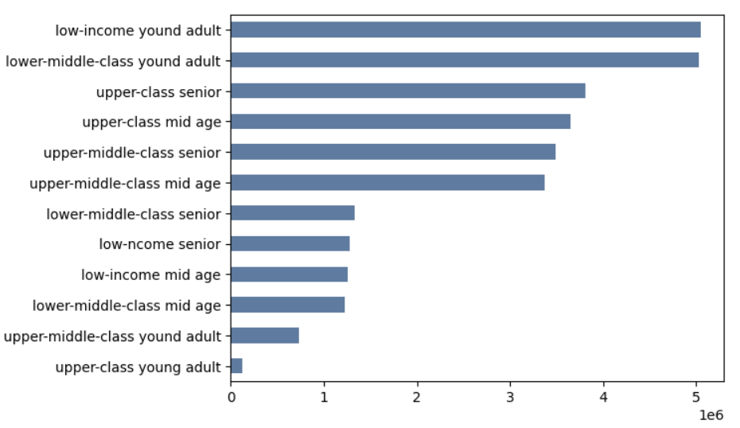
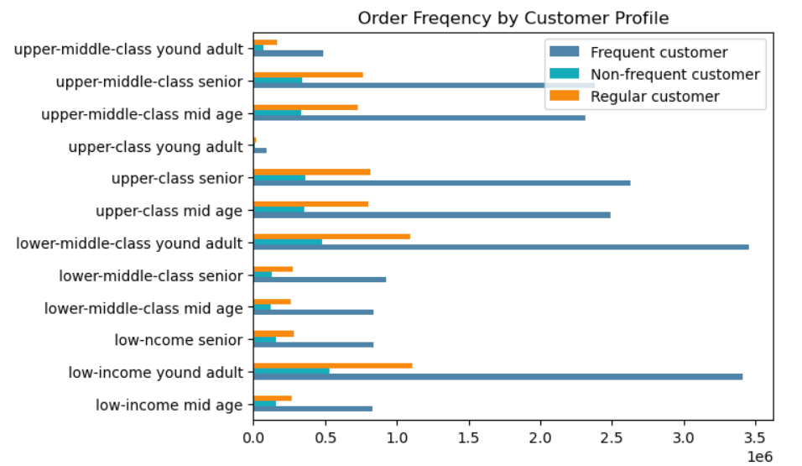
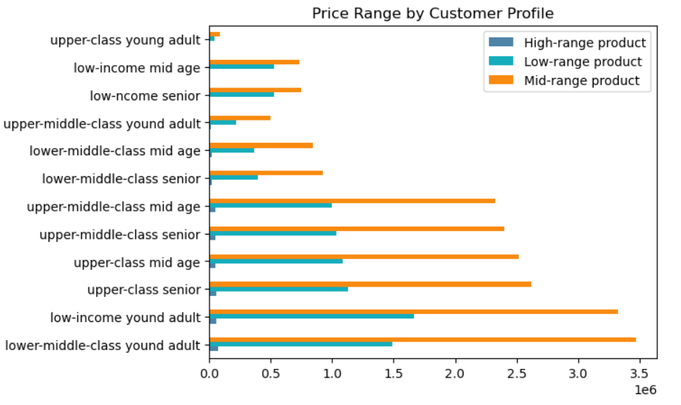
 |  | Title page

Visualisations

Key Question 1 | The busiest days of the week and the busiest hours of the day the busiest days of the week and hours of the day
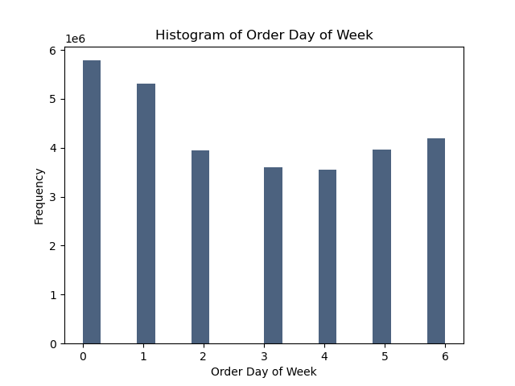


Key Question 2 | The particular times of the day when people spend the most money

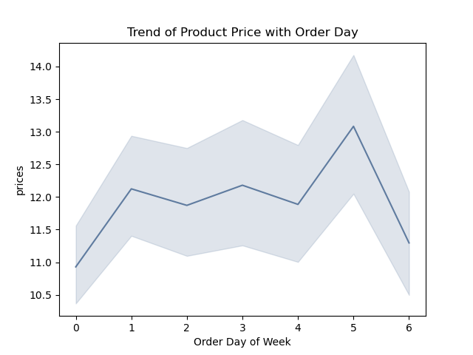
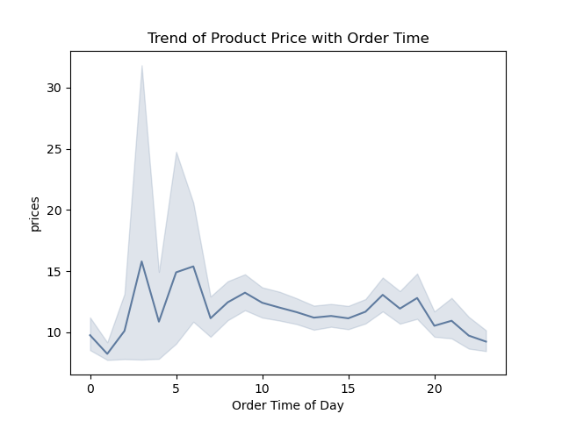

Key Question 3 | The price range grouping

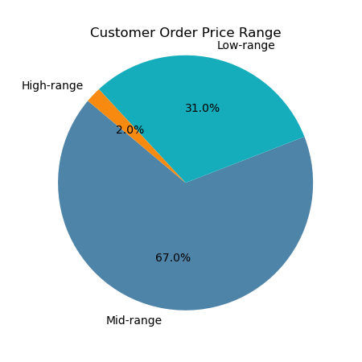

Key Question 4 | The departments have the highest frequency of product orders
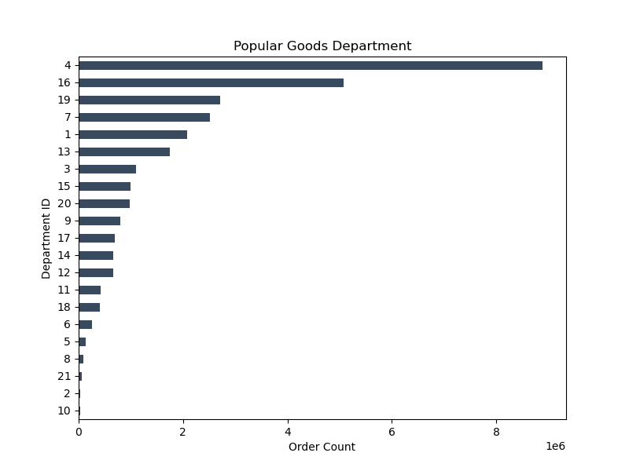

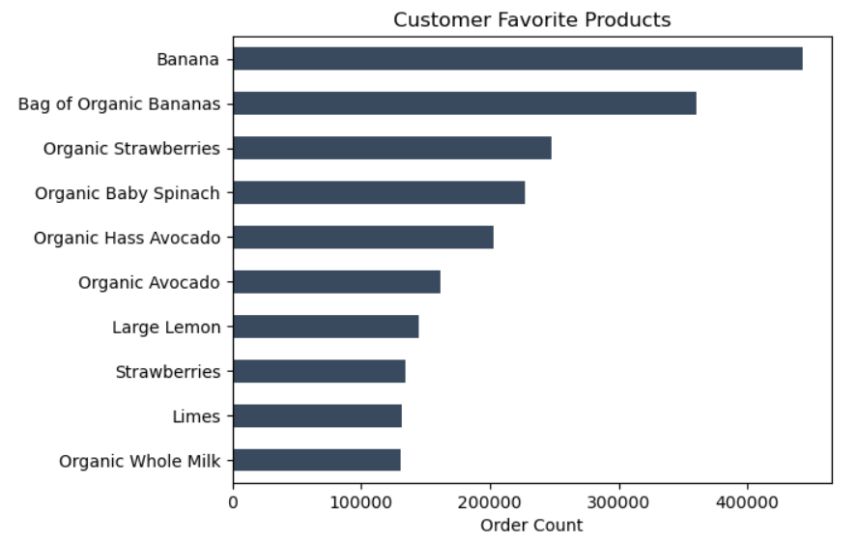

Key Question 5 | The distribution of brand loyalty
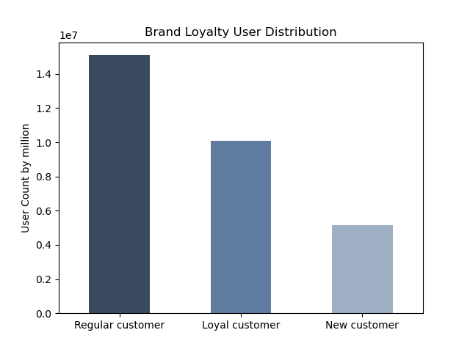

Key Question 6 | The ordering habbits base on customer loyalty status

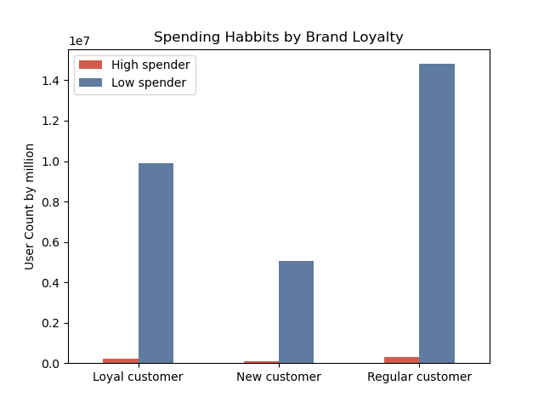
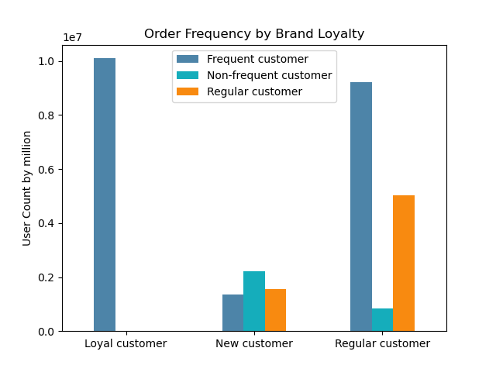
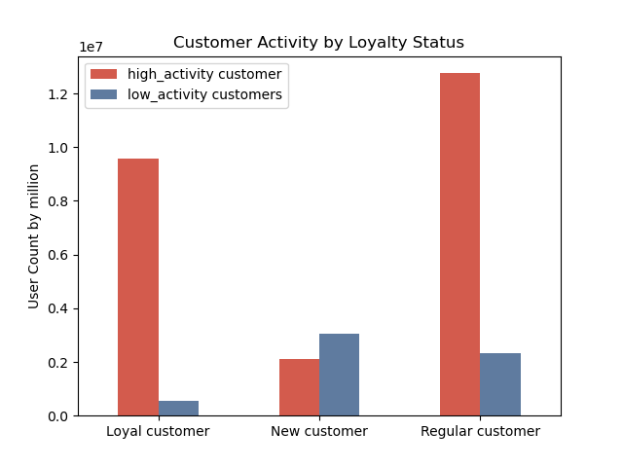

Key Question 7 | The ordering habbits base on customer region
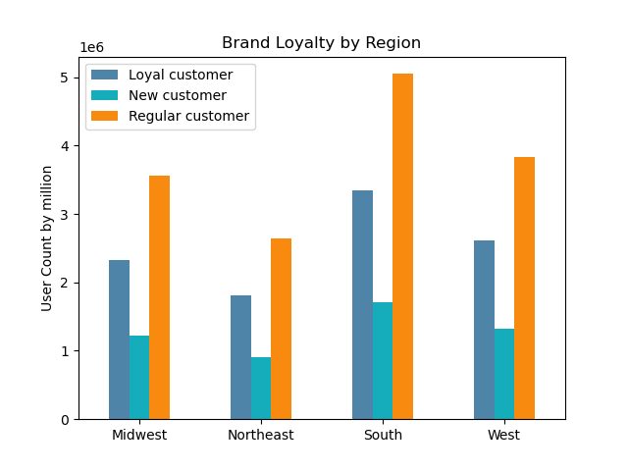
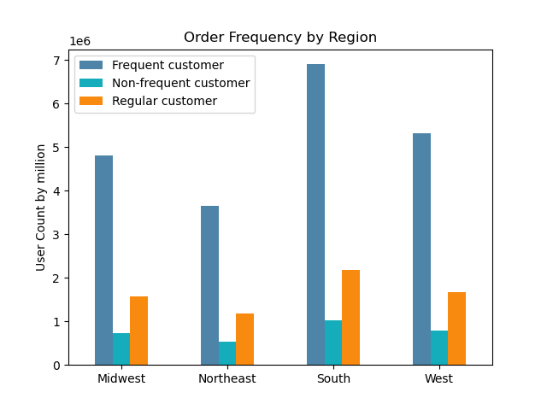
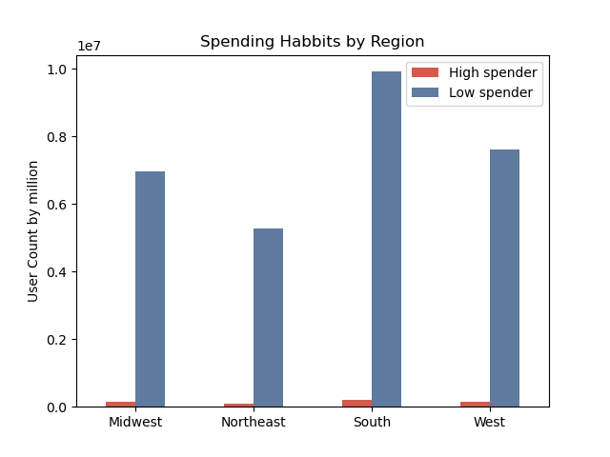

Key Question 8 | The ordering habbits base on age and family status
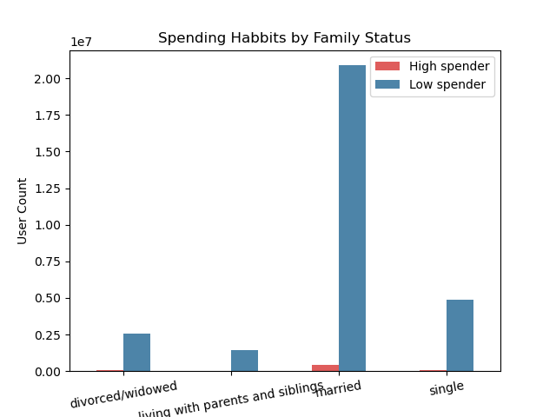
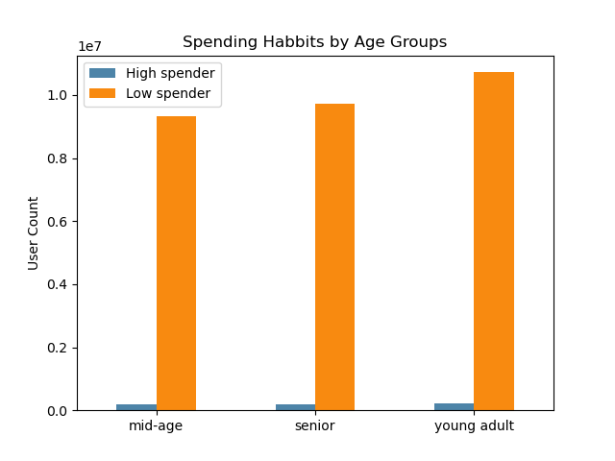

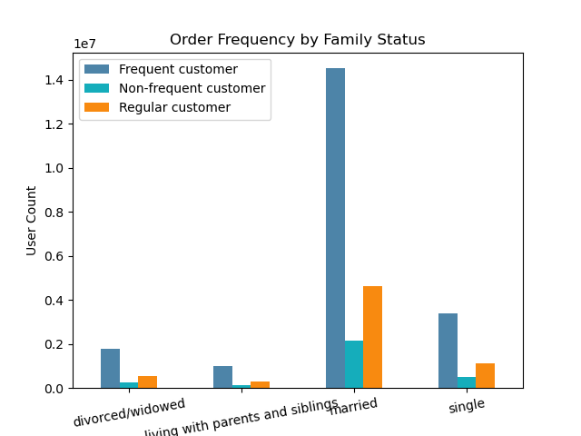
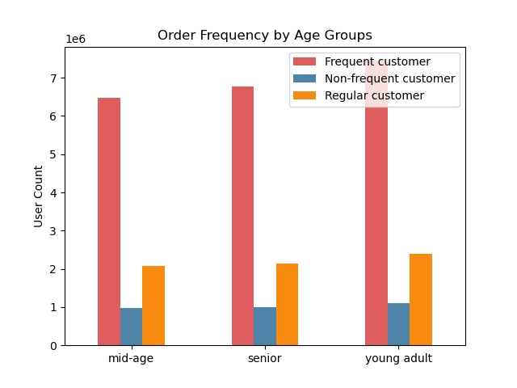

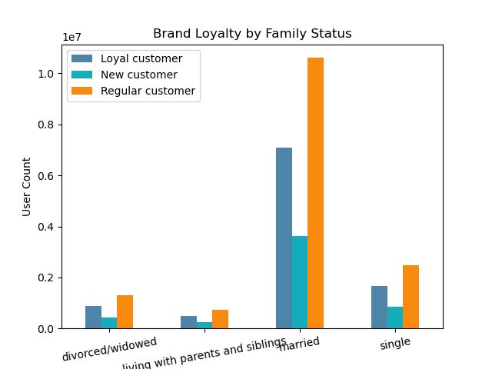
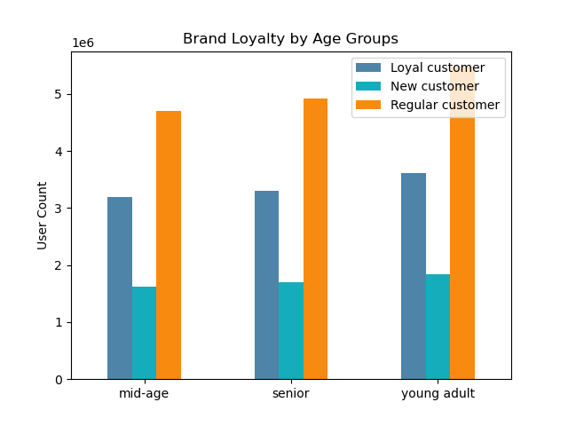

Key Question 9 | The ordering habbits base on demographic information

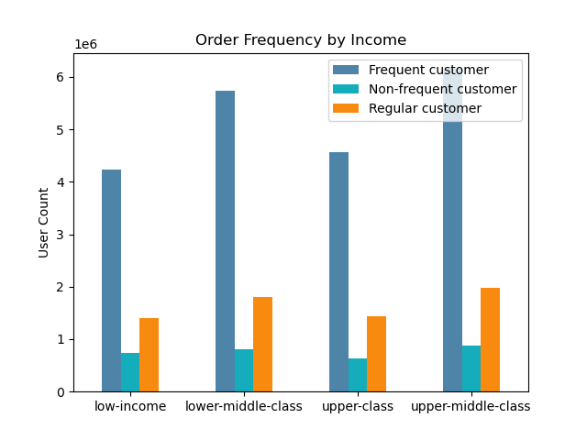
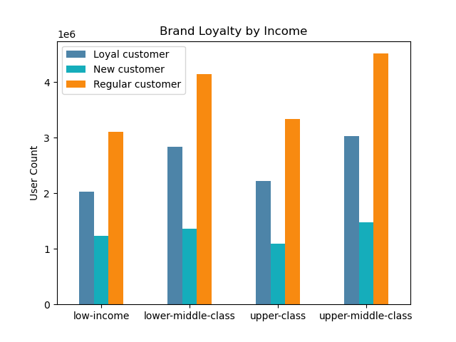
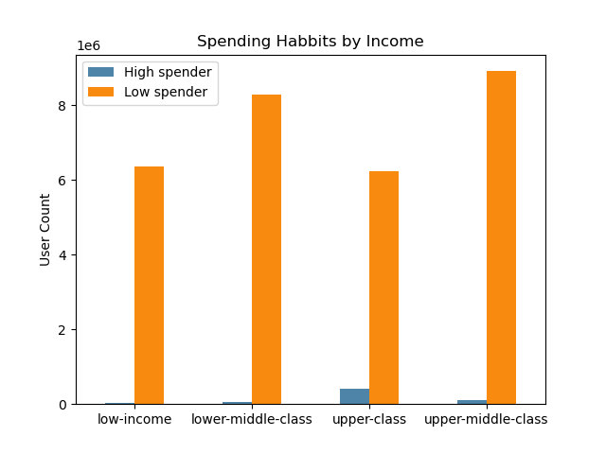


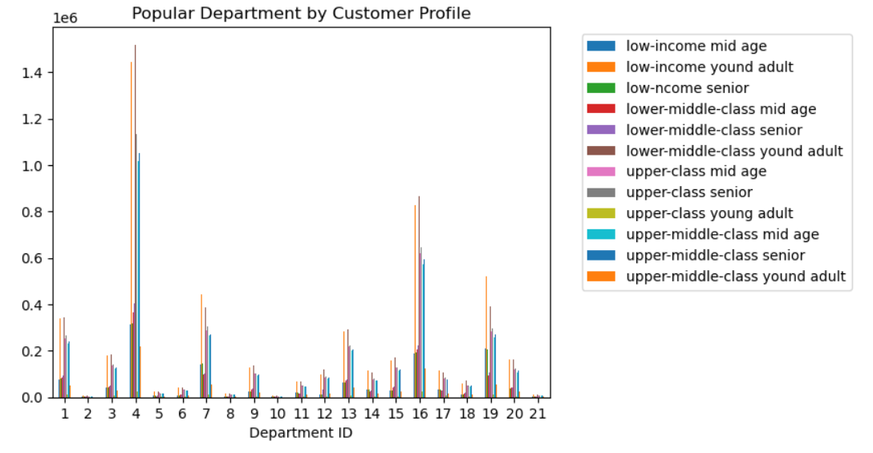

Key Question 10 | The ordering habbits base on customer profile

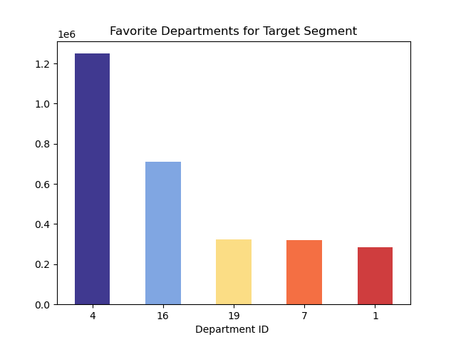
Customer Profile Distribution

7. Recommendations
 |  |  |  |  |  |  |  |  |  | Title page

Recommendations

Question 1
The sales team needs to know what the busiest days of the week and hours of the day are (i.e., the days and times with the most orders) in order to schedule ads at times when there are fewer orders.

Answer
The busiest days of the week are Saturday and Sunday ("0", and "1"), and the slowest days are Tuesday and Wednesday ( "3", and "4") in the visualization. The busiest hour of the day for ordering are 9 to 16. I would recommend schedule ads at the busiest time and day to increase the brand visibility online. The slowest day of week can run the instant deal to promote order. The slowest time of day usually people are sleeping, no need to waste budget on the ads.

 |  |  |  |  |  |  |  |  |  | Figure 1 |  |  | Figure 2

Question 2

The sales team also want to know whether there are particular times of the day when people
spend the most money, as this might inform the type of products they advertise at
these times.

 |  |  |  |  |  |  |  |  |  |  |  |  | product_name | count
 |  |  |  |  |  |  |  |  |  |  |  |  | Ground Turkey Breast | 25116
 |  |  |  |  |  |  |  |  |  |  |  |  | Organic Beef Hot Dogs | 16170
 |  |  |  |  |  |  |  |  |  |  |  |  | Organic Turkey Bacon | 14398
 |  |  |  |  |  |  |  |  |  |  |  |  | Tilapia Filet | 13873
Answer |  |  |  |  |  |  |  |  |  |  |  |  | Organic Chicken & Apple Sausage | 12332
 |  |  |  |  |  |  |  |  |  |  |  |  | Organic Beef Uncured Hot Dogs | 11497
 |  |  |  |  |  |  |  |  |  |  |  |  | 85% Lean Ground Beef | 11450
Customer tend to order expensive product during 3 to 7 of the day. And the most order food in the high price range are on the list on the right side. The sales team can run the advertise for these products at these time.
 |  |  |  |  |  |  |  |  |  |  |  |  | Boneless Skinless Chicken Thighs | 9841
 |  |  |  |  |  |  |  |  |  |  |  |  | Organic Chicken Thighs | 7416
 |  |  |  |  |  |  |  |  |  |  |  |  | 93% Ground Beef | 7097

 |  |  |  |  |  |  |  |  | Figure 3

Question 3

Instacart has a lot of products with different price tags. Marketing and sales want to
use simpler price range groupings to help direct their efforts.

Product with price over 15 are groupped in High-rang product. Product with price lower 5 are groupped in Low-range product. The rest are in Mid-range product. And high-range product takes 2% among all the orders. Mid-range product order takes 67%, follow by low-range product 31%.
Answer |  |  |  |  |  |  |  |  |  |  |  |  | price_range | count
 |  |  |  |  |  |  |  |  |  |  |  |  | Mid-range product | 20488410
 |  |  |  |  |  |  |  |  |  |  |  |  | Low-range product | 9476792
 |  |  |  |  |  |  |  |  |  |  |  |  | High-range product | 389849

 |  |  |  |  |  |  |  |  |  | Figure 4

Question 4

Are there certain types of products that are more popular than others? The marketing
and sales teams want to know which departments have the highest frequency of
product orders.

Department 4, and 16 are the top 2 most order product. Department 4 is produce and 16 is daily eggs. The top 10 order products are on the list on the right.
Answer
 |  |  |  | Figure 5
 |  |  |  |  |  |  |  |  |  |  |  | Figure 6

Question 5

The marketing and sales teams are particularly interested in the different types of
customers in their system and how their ordering behaviors differ.
What’s the distribution among users in regards to their brand loyalty (i.e., how
often do they return to Instacart)?

Answer
 |  |  |  |  |  |  |  |  |  |  |  |  | loyalty_flag | count
 |  |  |  |  |  |  |  |  |  |  |  |  | Regular customer | 15094623
Majority orderrers are from regular cuerstomer(order times between 10 to 40), then followed by loyal customer (made more than 40 orders). New customoioier made the least order number.
 |  |  |  |  |  |  |  |  |  |  |  |  | Loyal customer | 10104552
 |  |  |  |  |  |  |  |  |  |  |  |  | New customer | 5155876

 |  |  |  |  |  |  |  |  |  | Figure 7

Question 6

Are there differences in ordering habits based on a customer’s loyalty status?

Answer |  | Figure 8 |  |  |  | Figure 9 |  |  |  |  |  |  | Figure 10

Loyal customers and regular customers are lower spender, and they tend to order more frequently and are active on the app.

Question 7

Are there differences in ordering habits based on a customer’s region?

Answer
 |  |  | Figure 11 |  |  |  | Figure 12 |  |  |  |  |  | Figure 13

The South region definitely need to be allocated more resource as the region has the biggest number of loyal and regular custemers and the customer made the order more frequent compare to other regions. The South region also has the most high spenders and low spenders.

Question 8

Is there a connection between age and family status in terms of ordering
habits?

 | Figure 14 |  |  |  | Figure 15
 |  |  |  |  |  |  |  |  | Figure 16 |  |  |  | Figure 17

Answer

Married couple make the most order than orther family groups. Among all age groups, young adult and senior are more loyal and order more frequent. Therefore, married young couple, and married senior couple should be set as targeted segment when company arrange advertising.

 |  |  |  |  |  |  |  |  | Figure 18 |  |  |  | Figure 19

Question 9

What different classifications does the demographic information suggest?
Age? Income? Certain types of goods? Family status?

 |  |  | Figure 20
 |  |  |  |  |  |  | Figure 21 |  |  |  |  |  | Figure 22

Aswer
Both lower-middle class and uppper-middle class are main forces for ordering. Their income are bween 60,000 to 100,000. In the age and income scatterplot, the company should target the group of people over 40 with income under 300,000.

 |  |  |  |  |  |  |  |  |  |  | Figure 23

 |  |  |  |  |  |  |  | Customer Profile Distribution

Question 10

What differences can you find in ordering habits of different customer
profiles? Consider the price of orders, the frequency of orders, the products
customers are ordering.

 |  |  |  |  |  |  |  |  |  |  |  |  | Figure 24

 |  | Figure 25
 |  |  |  |  |  |  |  |  | Figure 26

Answer
Consider the price of orders, the frequency of orders, and the products
customers are ordering, upper-middle-class mid age, upper-middle-class senior, upper class mid age and upper class senior should be the target groups for the company to focus. And produce department and daily eggs department are the populater departmment for order.

 |  |  |  |  |  |  |  |  | Figure 27

